Sheet1
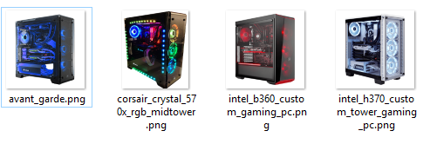

Full | 2319 | 2500 | 909 | 999 | Full | 75 | 30 | 9 | 90
Discount | 1760 | 1860 |  |  | Discount | 25 |  |  | 45
Saving | 24% | 26% | 100% | 100% | Saving | 67% | 100% | 100% | 50%
On Sale | Sale | Sale

CPU | INTEL Core™ i5-9600 6-Core 3.7GHz | Intel 8th Gen Core i5-8600K Processor | INTEL Core™ i3-8100 4-Core 3.6GHz | INTEL Core™ i3-8100 4-Core 3.6GHz
Memory | HyperX Fury 16GB (2 x 8GB) | Corsair Vengeance RGB 16GB (2x8GB) DDR4 | KINGSTON 8GB Kit (2 x 4GB) | KINGSTON 8GB Kit (2 x 4GB)
GPU | GeForce GTX 1080 Ti 8gb | Gigabyte AORUS GeForce GTX 1080 Ti Xtreme Edition 11GB | EVGA GeForce GTX 1050, 2GB | EVGA GeForce GTX 1050 Ti, 4GB
HDD | 500GB EVO SSD | 256GB Samsung 840 Pro Series SSD, plus 500GB SanDisk SATA III SSD | SEAGATE 1TB SATA 7200 RPM | SEAGATE 1TB SATA 7200 RPM
Rating | 83 | 87 | 57 | 65

